HBFC BANK PROJECT
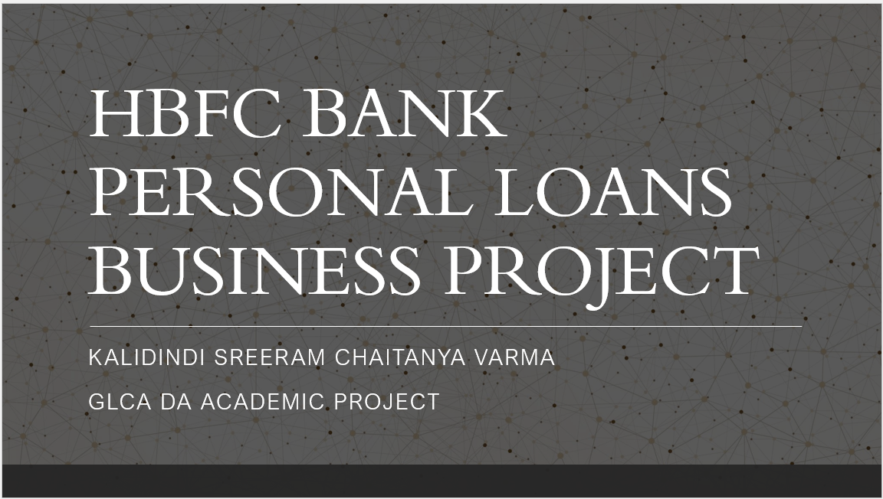

Experience Classification
Experience Classification

Experience | Count of Experience (in years)
+30 Years | 1157
0-10 Years | 1289
11-20 Years | 1253
21-30 Years | 1301
Grand Total | 5000

Edu v PL
Education vs Personal Loan

% of Customers | Personal Loan
Education | No | Yes
Graduate | 27% | 38%
Professional | 29% | 43%
Undergraduate | 44% | 19%
Grand Total | 100.00% | 100.00%

Inc vs PL
Income Category Vs Personal Loan

% of Customers | Personal Loan
Income Category | No | Yes
0-50 | 42% | 0%
100+ | 17% | 91%
51-100 | 41% | 9%
Grand Total | 100.00% | 100.00%

Online v PL
Online vs Personal Loan

% of Customers | Personal Loan
Online | No | Yes
No | 40% | 39%
Yes | 60% | 61%
Grand Total | 100.00% | 100.00%

TD v PL
TD Account vs Personal Loan

% of Customers | Personal Loan
TD Account | No | Yes
No | 96% | 71%
Yes | 4% | 29%
Grand Total | 100.00% | 100.00%

Dashboard
Education: We can clearly see that 81% of those who have taken personal loan are either Professional or Graduate.
Online: 61% of those who hava taken personal loans
use Online Banking facility
Income Category: 91% of those who have taken personal loans have an income more than 100k/year.
TD Account: 71% of those who have taken loans do not have a TD account.
Target Base For Bank To Send Pesonal Loan Offer
Education | Online
 | No | Yes
Graduate | 27% | 38%
Professional | 29% | 43%
Undergraduate | 44% | 19%
 | No | Yes
No | 40% | 39%
Yes | 60% | 61%

Bank should offer personal loan to customers who:
1.) Are Professional or Graduate
2.) Use Online Internet Banking facility
3.) Income greater than 100k/year. (Avoid offering personal loans those whose income is less than 50k/year.)
4.) Do not have a Term deposit account.

 | No | Yes
0-50 | 42% | 0%
100+ | 17% | 91%
51-100 | 41% | 9%
Income_Category | TD Account
 | No | Yes
No | 96% | 71%
Yes | 4% | 29%

